Scoresheet
VICTORIAN'S SPORTS CARNIVAL 2014 Match No 1: 22-04-2014 Montfort School, Ashok Vihar Vs Sachdeva Public School, Pitampura

It was the first match of the tournament and was a show of arch rivalary between the two teams from the same Zone. It was Sakshi of Sachdeva Public School scoring 25 points in the match who was supported by Divya and Himanshi scoring 09 and 08 points respectively. However, Megha and Sushantika of Montfort School showed resistance scoring 14 and 10 points each but it wasn't enough .Sachdeva Public School Won 54-40. |  |  |  |  |  |  |  |  | 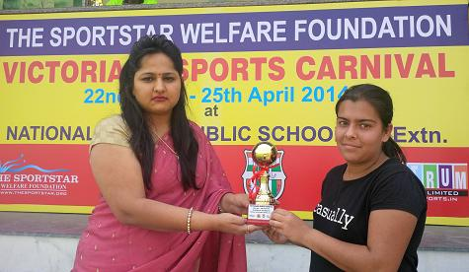
Teams of Sachdeva Public School, Pitampura and Montfort School, Ashok Vihar. Sakshi of Sachdeva Public School receiving the Player of the Match award from Vice Principal Mrs. Pooja of National Victor School
CH No. | MONTFORT SCHOOL, ASHOK VIHAR |  |  |  |  | VS | CH No. | SACHDEVA PUBLIC SCHOOL, PITAMPURA
 | Players Name | 1 | 2 | 3 | TOTAL |  |  | Players Name |  | 1 | 2 | 3 | TOTAL
4 | ANU SHARMA | 1 | 0 | 0 | 1 |  | 4 | SWEEH |  | 0 | 0 | 0 | 0
5 | SRISHTI THAKUR | 0 | 0 | 0 | 0 |  | 5 | DIVI |  | 0 | 0 | 0 | 0
6 | TANVI CHAUHAN | 1 | 1 | 0 | 3 |  | 6 | KRITIKA DHINGRA |  | 0 | 0 | 0 | 0
7 | RIYA RANA | 0 | 1 | 0 | 2 |  | 7 | HIMANSHI |  | 0 | 4 | 0 | 8
8 | MEGHA ARYA | 1 | 5 | 1 | 14 |  | 8 | SALONI |  | 0 | 0 | 0 | 0
9 | SUSHANTIKA | 0 | 5 | 0 | 10 |  | 9 | PARUL |  | 0 | 0 | 0 | 0
10 | MIMANSA | 0 | 0 | 0 | 0 |  | 10 | MRIDULA |  | 0 | 0 | 0 | 0
11 | SIMRAN KAUR | 0 | 2 | 0 | 4 |  | 11 | RAKSHITA |  | 0 | 2 | 1 | 7
12 | ARUSHI SINGH | 0 | 1 | 0 | 2 |  | 12 | KRITIKA DHAMIJA |  | 0 | 0 | 0 | 0
13 | RIDHIMA KHANNA | 0 | 2 | 0 | 4 |  | 13 | AKANKSHA |  | 1 | 2 | 0 | 5
14 | IMAKSHI PANDIT | 0 | 0 | 0 | 0 |  | 14 | DIVYA |  | 3 | 3 | 0 | 9
15 | VANI MITTAL | 0 | 0 | 0 | 0 |  | 15 | SAKSHI |  | 2 | 10 | 1 | 25
TOTAL SCORE |  |  |  |  | 40 |  | TOTAL SCORE |  |  |  |  |  | 54
FOR RESULTS PLEASE VISIT www.spectrumsports.in

